Two Screenshots
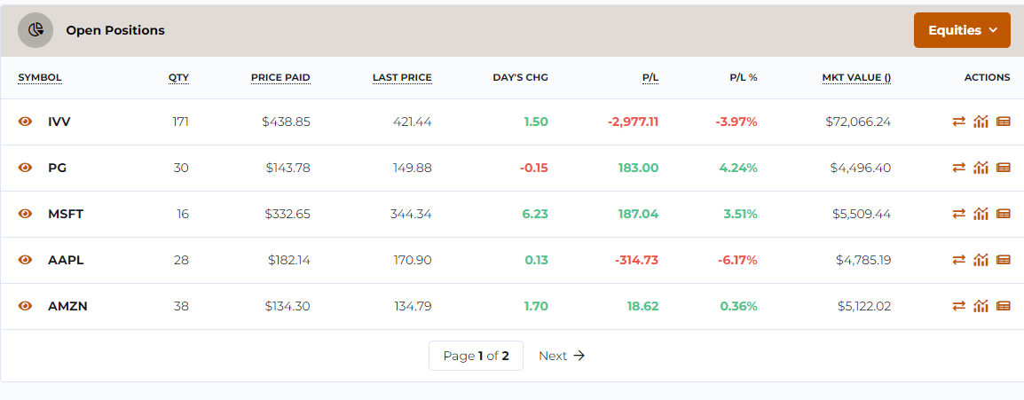
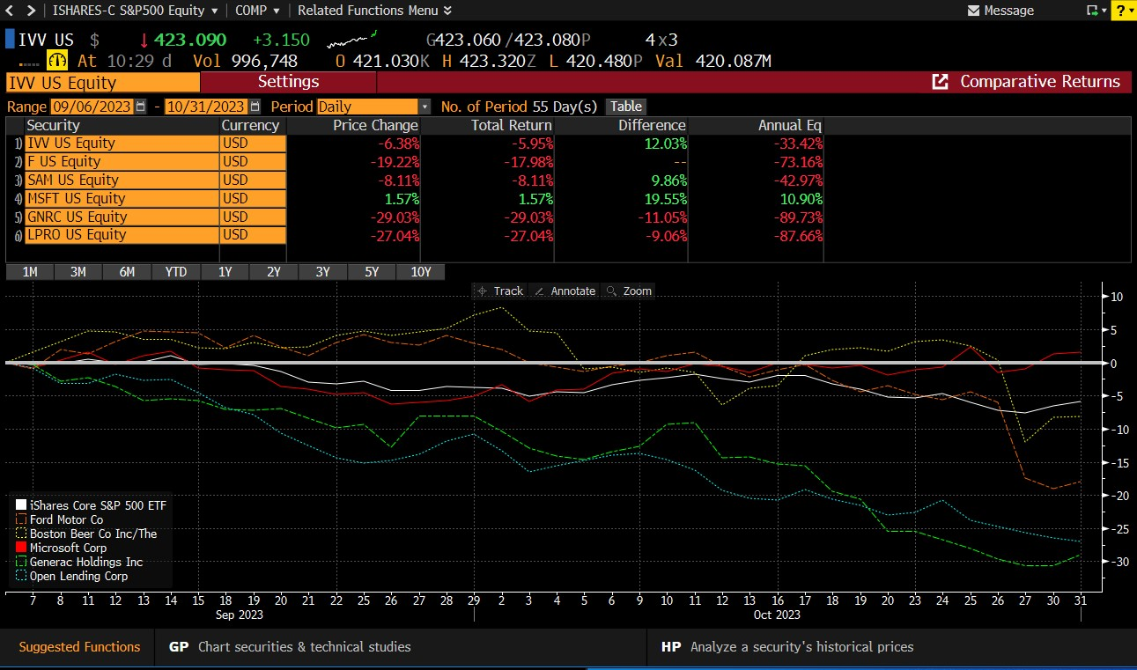
First Screenshot
https://edu.stocktrak.com/mccombstrading/
Open positions, screenshot or export to excel

Second Screenshot or image
log into bloomberg
type IVV US equity go
co
change start date to 09/06/2023
delete SPTR index which it tracks but note almost identical
add tickers and select equity, hit enter
keep adding tickers and hit enter, make sure to grab equity

Check that all say equity
Total Return, the second column should be close to change percent from stock trak
BBWI and WFC are hurting the fund
At the beginning, XOM was helping the fund

OPTIONAL AFTER CLASS
Third Screenshot (Optional)
Type one ticker equity go
Then ANR
BBWI price paid was 37.30, now it is at 28.84
If we look at target prices by analysts that are recent, two estimates say the stock is only worth about 27 or 30
Two analysts say maybe the stock will go back up to 37 or 40

Type CN for company news

Stock Fund
https://edu.stocktrak.com/mccombstrading/ | Date | Your Fund Values | Your Fund Daily Return | S&P500 Values | S&P500 Daily return
Graph my portfolio, see historial values, export | 2023-09-06 | 100000 |  | 100180.92 |  | Return Formula
copy only your portfolio values and line up in column D according to the first day you traded | 2023-09-07 | 100000 | 0.00% | 99904.42 | -0.28% | Daily return = (value day 1 - value day 0)/value day 0
If you are misising 09/06 or 09/07, enter 100,000 in column D | 2023-09-08 | 100000 | 0.00% | 100027.09 | 0.12%
(Usually we cut nontrading days but due to time constraints, here will not do so) | 2023-09-09 | 100000 | 0.00% | 100027.11 | 0.00%
 | 2023-09-10 | 100000 | 0.00% | 100027.13 | 0.00%
INSERT GRAPH | 2023-09-11 | 100000 | 0.00% | 100702.84 | 0.68%
Jahnavi Fund vs S&P500 Benchmark
 | 2023-09-12 | 100000 | 0.00% | 100158.74 | -0.54%
 | 2023-09-13 | 100000 | 0.00% | 100252.42 | 0.09%
 | 2023-09-14 | 100000 | 0.00% | 101146.67 | 0.89%
 | 2023-09-15 | 100000 | 0.00% | 99844.37 | -1.29%
 | 2023-09-16 | 100000 | 0.00% | 99844.39 | 0.00%
 | 2023-09-17 | 100000 | 0.00% | 99844.41 | 0.00%
 | 2023-09-18 | 100000 | 0.00% | 100016.14 | 0.17%
 | 2023-09-19 | 100000 | 0.00% | 99793.16 | -0.22%
 | 2023-09-20 | 100000 | 0.00% | 98849.89 | -0.95%
 | 2023-09-21 | 100000 | 0.00% | 97233.16 | -1.64%
 | 2023-09-22 | 100000 | 0.00% | 97001.26 | -0.24%
 | 2023-09-23 | 100000 | 0.00% | 97001.28 | 0.00%
 | 2023-09-24 | 100000 | 0.00% | 97001.3 | 0.00%
 | 2023-09-25 | 100000 | 0.00% | 97402.72 | 0.41%
 | 2023-09-26 | 100000 | 0.00% | 95542.92 | -1.91%
 | 2023-09-27 | 100000 | 0.00% | 96010.614756 | 0.49%
 | 2023-09-28 | 100000 | 0.00% | 96568.184756 | 0.58%
 | 2023-09-29 | 100000 | 0.00% | 96358.614756 | -0.22%
 | 2023-09-30 | 100000 | 0.00% | 96358.664756 | 0.00%
 | 2023-10-01 | 100000 | 0.00% | 96358.714756 | 0.00%
 | 2023-10-02 | 100000 | 0.00% | 96325.314756 | -0.03%
 | 2023-10-03 | 100000 | 0.00% | 95049.804756 | -1.32%
You will have two lines | 2023-10-04 | 100000 | 0.00% | 95718.854756 | 0.70%
 | 2023-10-05 | 100000 | 0.00% | 95674.304756 | -0.05%
 | 2023-10-06 | 100000 | 0.00% | 96791.584756 | 1.17%
 | 2023-10-07 | 100000 | 0.00% | 96791.634756 | 0.00%
 | 2023-10-08 | 100000 | 0.00% | 96791.684756 | 0.00%
 | 2023-10-09 | 100000 | 0.00% | 97425.054756 | 0.65%
 | 2023-10-10 | 100000 | 0.00% | 97931.314756 | 0.52%
 | 2023-10-11 | 100000 | 0.00% | 98343.914756 | 0.42%
 | 2023-10-12 | 100000 | 0.00% | 97757.474756 | -0.60%
 | 2023-10-13 | 98702.4 | -1.30% | 97246.854756 | -0.52%
 | 2023-10-14 | 98702.4 | 0.00% | 97246.904756 | 0.00%
 | 2023-10-15 | 98702.4 | 0.00% | 97246.954756 | 0.00%
 | 2023-10-16 | 99745.21 | 1.06% | 98252.734756 | 1.03%
 | 2023-10-17 | 99702.59 | -0.04% | 98281.774756 | 0.03%
 | 2023-10-18 | 98561.02 | -1.14% | 97001.804756 | -1.30%
 | 2023-10-19 | 97779.42 | -0.79% | 96127.694756 | -0.90%
 | 2023-10-20 | 96622.061 | -1.18% | 94952.534756 | -1.22%
 | 2023-10-21 | 96622.061 | 0.00% | 94952.584756 | 0.00%
 | 2023-10-22 | 96622.061 | 0.00% | 94952.634756 | 0.00%
 | 2023-10-23 | 96558.251 | -0.07% | 94787.664756 | -0.17%
 | 2023-10-24 | 97327.731 | 0.80% | 95496.854756 | 0.75%
 | 2023-10-25 | 96184.641 | -1.17% | 94147.754756 | -1.41%
 | 2023-10-26 | 94786.891 | -1.45% | 93019.424756 | -1.20%
 | 2023-10-27 | 94719.001 | -0.07% | 92595.774756 | -0.46%
 | 2023-10-28 | 94719.001 | 0.00% | 92595.824756 | 0.00%
 | 2023-10-29 | 94719.001 | 0.00% | 92595.874756 | 0.00%
 | 2023-10-30 | 96066.731 | 1.42% | 93688.624756 | 1.18%
 |  | 96598.721

 |  |  | Your Stock Fund |  | S&P500 Benchmark
 |  |  | -0.07% |  | -0.12%
ave daily return on your fund and average benchmark |  |  | -4.61% |  | -7.66%
quarterly return (average * 252/4) |  |  | 0.48% |  | 0.71%
st dev of daily returns on your fund and average benchmark |  |  | 3.78% |  | 5.61%
quarterly st deviation (ave *(252/4)^.5)

beta your fund to average benchmark (slope of daily return to benchmark) | beta is different than total risk or standard deviation |  |  |  | 0.40 | beta, sensitivity of your fund to the market, is likely around 1 but could be higher or lower
R squared your fund to average benchmark | beta is market risk, how many fund moves with the market |  |  |  | 0.36 | R-squared is likely under 1, maybe around .8 to about .99

 |  |  |  |  |  | Sharpe takes account of total risk or volatility
risk-free Treasury, 3-month |  |  | 1.25% |  | 1.25% | Compare your Sharpe to the S&P500 Benchmark
Sharp of your fund and average benchmark (compare) |  |  | -1.55 |  | -1.59 | My sharpe is greater than the S&P500, that means the fund overperformed on a risk adjusted basis ( risk = volatility/ standard deviation)

actual quarterly return of your fund |  |  |  |  | -4.61% | Alpha is based on the CAPM model which uses beta risk rather than total risk, beta is market sensitivity
CAPM expected return on your fund |  |  |  |  | -2.34% | If we have not yet covered Beta and CAPM, do not be concerned we will later
alpha w respect to benchmark -quarterly |  |  |  |  | -2.27% | Alpha already has the benchmark built in so you don't have to compare
 |  |  |  |  |  | My alpha is negative
 |  |  |  |  |  | This means my portfolio underperformed the S&P500 on a risk adjusted basis where risk is market risk or beta

